Cover
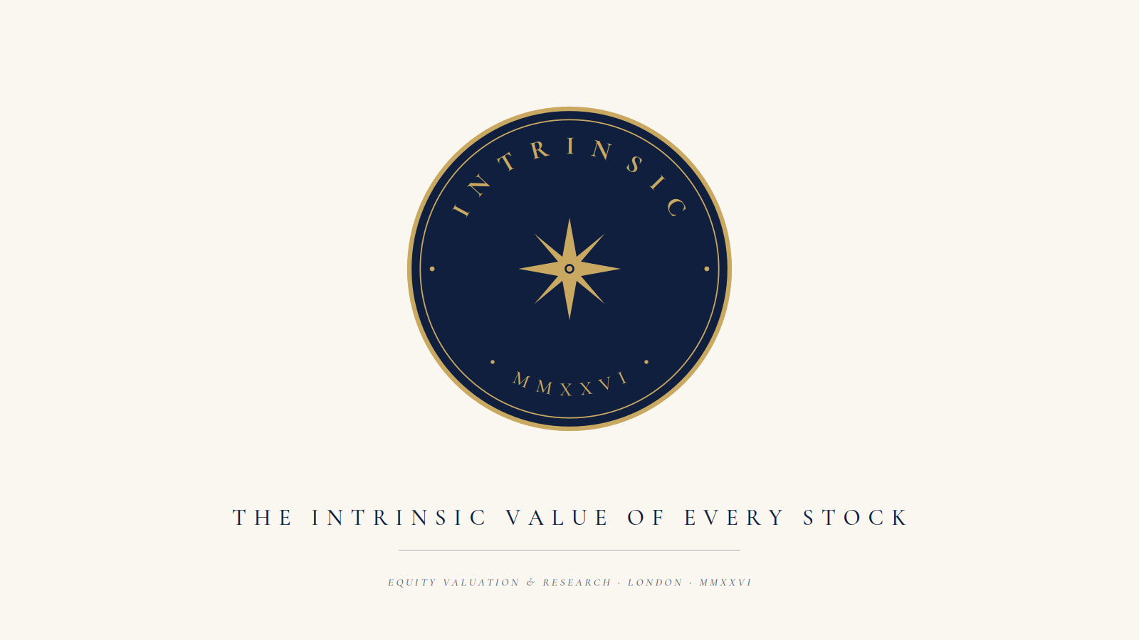

Company | Apple
Sector | Technology
Date | May 2026
Analyst | —
Model Version | v1.0 — Intrinsic MVP

Navigate: Sheet 1 → DCF Model | Sheet 2 → Comparable Company Analysis

Colour key: Blue text = hardcoded input | Yellow bg = projected assumption | Black = formula | Green = cross-sheet link | Green fill = output

